Script
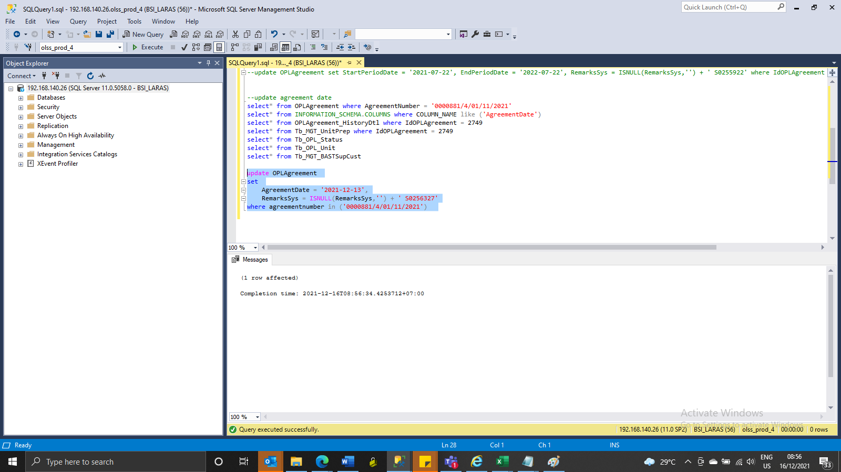
update OPLAgreement
set
 | AgreementDate = '2021-12-13',
 | RemarksSys = ISNULL(RemarksSys,'') + ' S0256327'
where agreementnumber in ('0000881/4/01/11/2021')

Screenshot
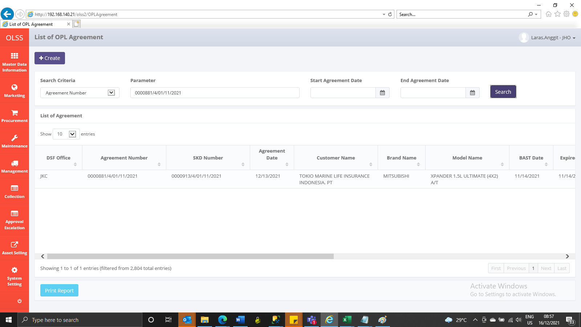
BEFORE
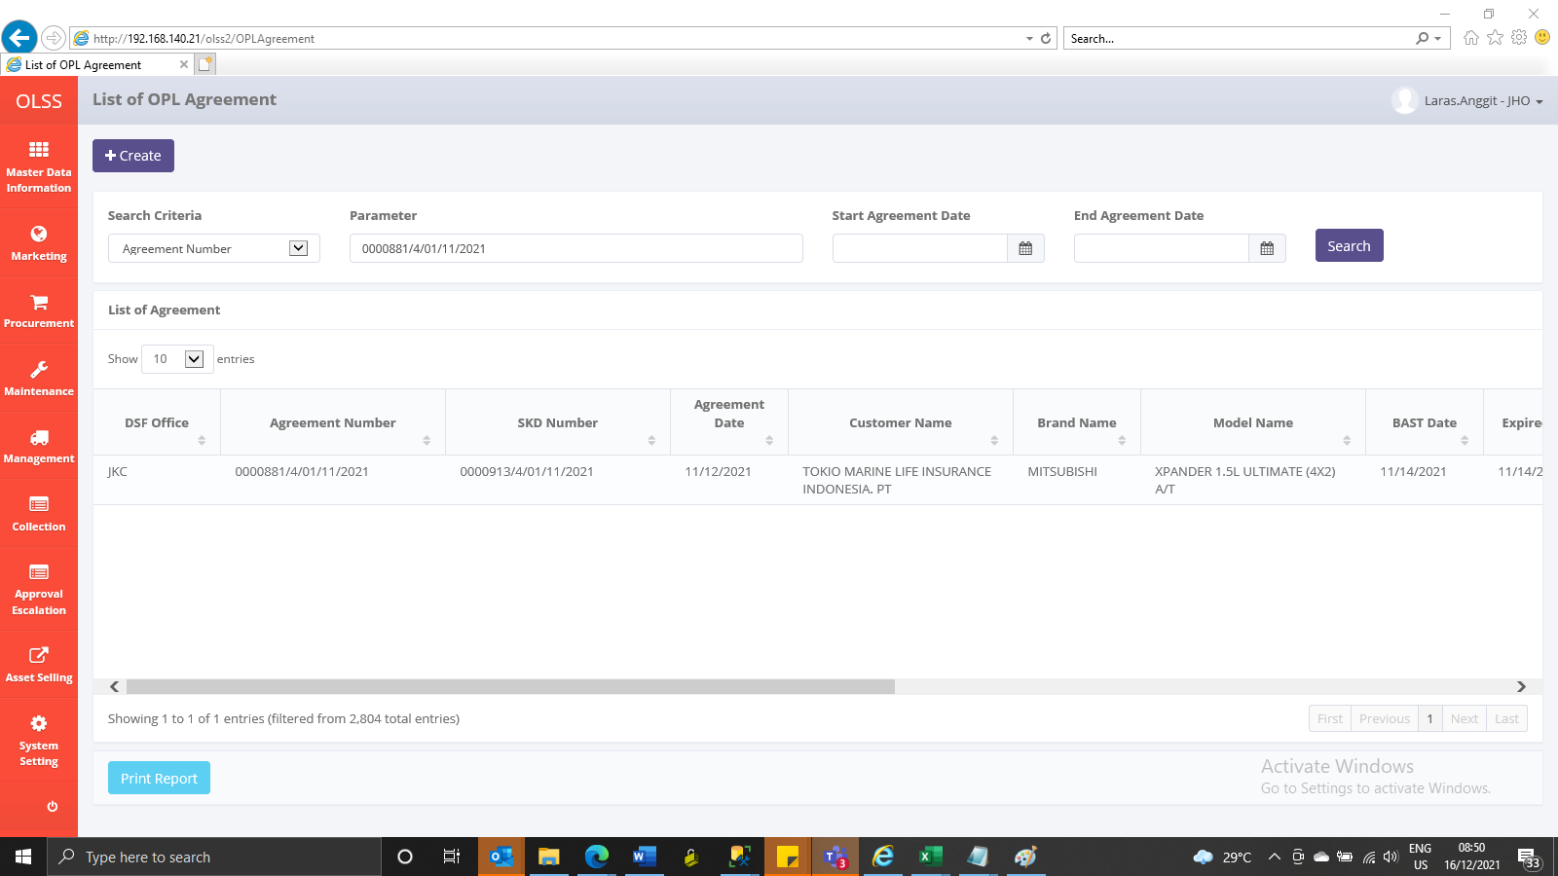

AFTER

